Average
V_{Q100}=9.57 (D₈₄)^{0.487}
Summary - Stream Simulation Bed Material Design

Project:
By: |  |  |  |  |  |  |  |  |  |  |  | Streambed Mobility/Stability Analysis
 |  |  |  |  |  |  |  |  |  |  |  | Modified Shields Approach
Design Gradation: |  |  |  |  |  | Design Gradation: |  |  |  |  |  | References:
Location: | Upstream Riffle |  |  |  |  | Location: | Upstream Gravel Bar |  |  |  |  | Stream Simulation: An Ecological Approach to Providing Passage for Aquatic Organizms at Road-Stream Crossings
 | D100 | D84 | D50 | D16 |  |  | D100 | D84 | D50 | D16 |  | Appendix E--Methods for Streambed Mobility/Stability Analysis
ft | 0.00 | 0.00 | 0.00 | 0.00 |  | ft | 0.00 | 0.00 | 0.00 | 0.00
in |  |  |  |  |  | in |  |  |  |  |  | Limitations:
mm | 0 | 0 | 0.0 | 0.0 |  | mm | 0 | 0 | 0.0 | 0.0 |  | D84 must be between 0.40 in and 10 in
 |  |  |  |  |  |  |  |  |  |  |  | uniform bed material (Di < 20-30 times D50)
Design Gradation: |  |  |  |  |  | Design Gradation: |  |  |  |  |  | Slopes less than 5%
Location: | Downstream Riffle |  |  |  |  | Location: | Downstream Gravel Bar |  |  |  |  | Sand/gravel streams with high relative submergence
 | D100 | D84 | D50 | D16 |  |  | D100 | D84 | D50 | D16
ft | 0.59 | 0.29 | 0.16 | 0.08 |  | ft | 0.00 | 0.00 | 0.00 | 0.00 |  | γs | 165 | specific weight of sediment particle (lb/ft3)
in |  |  |  |  |  | in |  |  |  |  |  | γ | 62.4 | specific weight of water (1b/ft3)
mm | 0 | 0 | 0.0 | 0.0 |  | mm | 0 | 0 | 0.0 | 0.0 |  | τD50 | 0.054 | dimensionless Shields parameter for D50, use table E.1 of USFS manual or assume 0.045 for poorly sorted channel bed

 | Determining Aggregate Proportions
 | Per WSDOT Standard Specifications 9-03.11 |  |  |  |  |  |  |  |  |  |  | Flow | 2-YR (109 cfs) | 2-YR (109 cfs) | 10-YR (192 cfs) | 25-YR (235 cfs) | 50-YR (274 cfs) | 100-YR (306 cfs) | 500-YR (397 cfs)
Rock Size |  | Streambed | Streambed Cobbles |  |  |  |  |  | Streambed Boulders |  | Dsize | Average Modeled Shear Stress (lb/ft2) | 1.2 | 1.6 | 1.7 | 1.9 | 2.0 | 2.2 | 2.8
[in] | [mm] | Sediment | 4" | 6" | 8" | 10" | 12" | 12"-18" | 18"-28" | 28"-36" |  | τci |  | Structure
36.0 | 914 | 100 | 100 | 100 | 100 | 100 | 100 | 100 | 100 | 100 | 100.0 | 2.96 | No Motion | No Motion | No Motion | No Motion | No Motion | No Motion | No Motion
32.0 | 813 | 100 | 100 | 100 | 100 | 100 | 100 | 100 | 100 | 50 | 100.0 | 2.86 | No Motion | No Motion | No Motion | No Motion | No Motion | No Motion | No Motion
28.0 | 711 | 100 | 100 | 100 | 100 | 100 | 100 | 100 | 100 |  | 100.0 | 2.75 | No Motion | No Motion | No Motion | No Motion | No Motion | No Motion | Motion
23.0 | 584 | 100 | 100 | 100 | 100 | 100 | 100 | 100 | 50 |  | 100.0 | 2.59 | No Motion | No Motion | No Motion | No Motion | No Motion | No Motion | Motion
18.0 | 457 | 100 | 100 | 100 | 100 | 100 | 100 | 100 |  |  | 100.0 | 2.41 | No Motion | No Motion | No Motion | No Motion | No Motion | No Motion | Motion
15.0 | 381 | 100 | 100 | 100 | 100 | 100 | 100 | 50 |  |  | 87.5 | 2.28 | No Motion | No Motion | No Motion | No Motion | No Motion | No Motion | Motion
12.0 | 305 | 100 | 100 | 100 | 100 | 100 | 100 |  |  |  | 75.0 | 2.13 | No Motion | No Motion | No Motion | No Motion | No Motion | Motion | Motion
10.0 | 254 | 100 | 100 | 100 | 100 | 100 | 80 |  |  |  | 68.0 | 2.02 | No Motion | No Motion | No Motion | No Motion | Motion | Motion | Motion
8.0 | 203 | 100 | 100 | 100 | 100 | 80 | 68 |  |  |  | 63.9 | 1.89 | No Motion | No Motion | No Motion | No Motion | Motion | Motion | Motion
6.0 | 152 | 100 | 100 | 100 | 80 | 68 | 57 |  |  |  | 59.8 | 1.73 | No Motion | No Motion | No Motion | Motion | Motion | Motion | Motion
5.0 | 127 | 100 | 100 | 80 | 68 | 57 | 45 |  |  |  | 55.8 | 1.64 | No Motion | No Motion | Motion | Motion | Motion | Motion | Motion
4.0 | 102 | 100 | 100 | 71 | 57 | 45 | 39 |  |  |  | 53.8 | 1.53 | No Motion | Motion | Motion | Motion | Motion | Motion | Motion
3.0 | 76.2 | 100 | 80 | 63 | 45 | 38 | 34 |  |  |  | 49.8 | 1.41 | No Motion | Motion | Motion | Motion | Motion | Motion | Motion
2.5 | 63.5 | 100 | 65 | 54 | 37 | 32 | 28 |  |  |  | 46.3 | 1.33 | No Motion | Motion | Motion | Motion | Motion | Motion | Motion
2.0 | 50.8 | 80 | 50 | 45 | 29 | 25 | 22 |  |  |  | 36.8 | 1.24 | No Motion | Motion | Motion | Motion | Motion | Motion | Motion
1.5 | 38.1 | 73 | 35 | 32 | 21 | 18 | 16 |  |  |  | 31.0 | 1.14 | Motion | Motion | Motion | Motion | Motion | Motion | Motion
1.0 | 25.4 | 65 | 20 | 18 | 13 | 12 | 11 |  |  |  | 25.3 | 1.01 | Motion | Motion | Motion | Motion | Motion | Motion | Motion
0.75 | 19.0 | 50 | 5 | 5 | 5 | 5 | 5 |  |  |  | 17.3 | 0.93 | Motion | Motion | Motion | Motion | Motion | Motion | Motion
No. 4 = | 4.75 | 35 |  |  |  |  |  |  |  |  | 10.5
No. 40 = | 0.425 | 16 |  |  |  |  |  |  |  |  | 4.8
No. 200 = | 0.0750 | 7 |  |  |  |  |  |  |  |  | 2.1 |  | D16 | 16.4 | 0.64574219889
% per category |  | 30 | 10 | 0 | 0 | 0 | 35 | 25 |  |  | --> 100% |  | D50 | 3.1 | inches
 |  |  |  |  |  |  |  |  |  |  |  |  |  | 0.3 | ft
% Cobble & Sediment |  | 40.0 | 13.3 | 0.0 | 0.0 | 0.0 | 46.7 | 33.3 | 0.0 | 0.0 | 75.0% |  | D84 | 14.2

Sediment Gradation Coarser Cobble Mix
 | Design Mix |  | Fuller-Thompson Gradation |  | Upstream Riffle |  | Upstream Gravel Bar |  | Downstream Riffle |  | Downstream Gravel Bar
914 | 100.0 | 305 | 83.32 | 0 | 100 | 0 | 100 | 0 | 100 | 0 | 100
813 | 100.0 | 254 | 76.76 | 0 | 84 | 0 | 84 | 0 | 84 | 0 | 84
711 | 100.0 | 203 | 69.43 | 0 | 50 | 0 | 50 | 0 | 50 | 0 | 50
584 | 100.0 | 152 | 61.00 | 0 | 16 | 0 | 16 | 0 | 16 | 0 | 16
457 | 100.0 | 127 | 56.19
381 | 87.5 | 102 | 50.82
305 | 75.0 | 76 | 44.65
254 | 68.0 | 64 | 41.13
203 | 63.9 | 51 | 37.20
152 | 59.8 | 38 | 32.69
127 | 55.8 | 25 | 27.23
102 | 53.8 | 19 | 23.93
76 | 49.8 | 5 | 12.81
64 | 46.3 | 0 | 4.32
51 | 36.8 | 0 | 1.98
38 | 31.0
25 | 25.3
19 | 17.3
5 | 10.5
0 | 4.8
0 | 2.1
 |  |  |  |  |  |  |  |  |  |  |  |  |  | Fuller-Thompson Gradation
 |  |  |  |  |  |  |  |  |  |  |  |  |  | Dmax = | 18
 |  |  |  |  |  |  |  |  |  |  |  |  |  | D[in]
 |  |  |  |  |  |  |  |  |  |  |  |  |  | 12.000 | 83.32
 |  |  |  |  |  |  |  |  |  |  |  |  |  | 10.000 | 76.76
 |  |  |  |  |  |  |  |  |  |  |  |  |  | 8.000 | 69.43
 |  |  |  |  |  |  |  |  |  |  |  |  |  | 6.000 | 61.00
 |  |  |  |  |  |  |  |  |  |  |  |  |  | 5.000 | 56.19
 |  |  |  |  |  |  |  |  |  |  |  |  |  | 4.000 | 50.82
 |  |  |  |  |  |  |  |  |  |  |  |  |  | 3.000 | 44.65
 |  |  |  |  |  |  |  |  |  |  |  |  |  | 2.500 | 41.13
 |  |  |  |  |  |  |  |  |  |  |  |  |  | 2.000 | 37.20
 |  |  |  |  |  |  |  |  |  |  |  |  |  | 1.500 | 32.69
 |  |  |  |  |  |  |  |  |  |  |  |  |  | 1.000 | 27.23
 |  |  |  |  |  |  |  |  |  |  |  |  |  | 0.750 | 23.93
 |  |  |  |  |  |  |  |  |  |  |  |  |  | No. 4 = | 12.81
 |  |  |  |  |  |  |  |  |  |  |  |  |  | No. 40 = | 4.32
 |  |  |  |  |  |  |  |  |  |  |  |  |  | No. 200 = | 1.98

USFS Reference
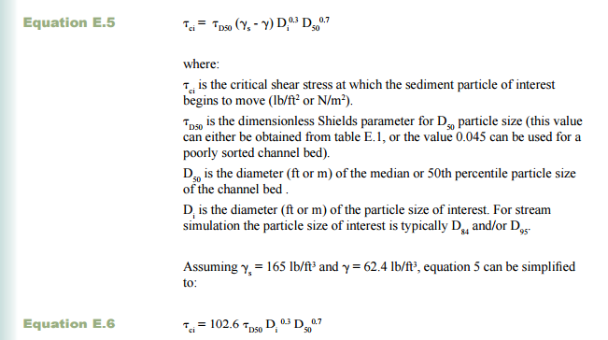
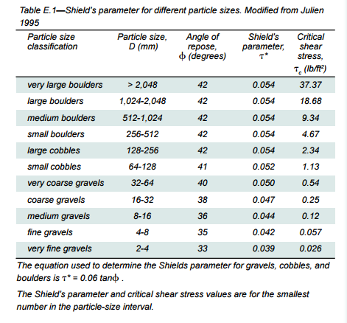
http://www.fs.fed.us/eng/pubs/pdf/StreamSimulation/lo_res/AppendixE.pdf

Modified Shear Stress Equation:

